Intro
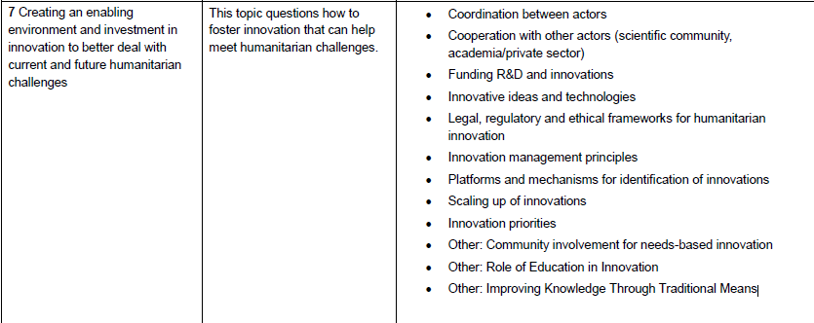

 |  |  |  | https://unite.un.org/ideas/content/visualizechange-world-humanitarian-summit-data-challenge
Idea | Present the distribution of ideas

Visualize column BG "7D. Innovative ideas and technologies:":
 | Filter the non-empty entries
 | Parameters
 |  | Public Input
 |  | WHS Output
 |  | Stakeholder Group
 |  | WCA Documents
 |  | ESA Documents
 |  | EOG Documents
 |  | MENA Documents
 |  | LAC Documents
 |  | Pacific Region
 |  | SCA Documents
 |  | Global Documents
 |  | National Context | Australia
 |  |  | Tonga
 |  |  | …

 | Translate every entry to include the suggested technology under the following categories
 |  | Payment

ICT tools (most) / Non ICT tools (energy etc)

